CIL Calculator
 |  |  | Community Infrastructure Levy (CIL) Calculator v1.3 April 2015 © Royal Borough of Kensington & Chelsea 2015 Further information available at www.rbkc.gov.uk/cil

Chargeable Development
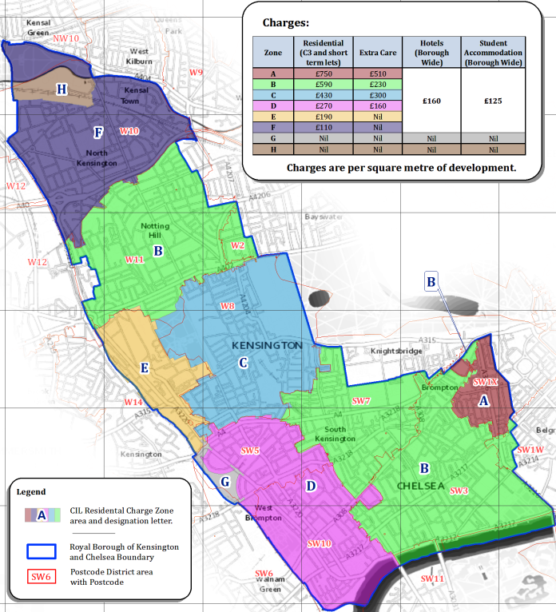
 | ALL and ONLY blue cells must be completed

 | Address / Site

 | RBKC CIL Zone

 | Original App Ref #

 | Original App PP Date

 | S73 App?

 | S73 App Ref #

 | S73 App PP Date

 | Phased?

 | Phase Ref #

 | Phase App PP Date

 | Is this the 1st phase?

 | BCIS Index (IP) | 1

 | Date on which planning permission first permits development

 | S73 Advice: | Original application was pre-MCIL and pre-RBKC CIL
 | MCIL Liability | = New S73 Chargeable Amount — Hypothetical Original Chargeable Amount
 | RBKC CIL Liability | = New S73 Chargeable Amount — Hypothetical Original Chargeable Amount

Floorspace

 | Are there any existing buildings on the site on the day planning permission is granted which contain a part that has been in lawful use for a continuous period of at least 6 months within the period of 3 years prior to planning permission? ('In-use' buildings)

 | All floorspace figures must be entered as Gross Internal Area (GIA) in accordance with RICS Code of Measuring Practice

 |  | Demolished | Proposed (GR) | ...of which Retained (KR)
 | Private Residential | Insert total demolished floorspace ↓ ↓ ↓ ↓ ↓

 | Social Resi. (Part QR) |  |  |  | Part KQR

 | Extra Care Housing

 | Hotels

 | Student Accomm.

 | Education

 | Health

 | All Other Uses

 | Total |  | m2 | m2
 |  |  | (G)

 | Former phase E (EP)

 | Former phase G (GP)

 | Former phase KR (KPR)

 | Credit (EX) | m2

 | Demolished+Credit (E) | m2

Social Housing Relief

 | The proposed 'Social Resi.' floorspace must only be made up of Qualifying Dwellings, i.e. must satisfy at least 1 of the following conditions for (Discretionary) Social Housing Relief:
 |  |  |  |  | Meets Condition?
 | Condition 1 is that the dwelling is let by a local housing authority on one of the following: ● A demoted tenancy; ● An introductory tenancy; ● A secure tenancy; ● An arrangement that would be a secure tenancy but for paragraph 4ZA or 12 of Schedule 1 to the Housing Act 1985

 | Condition 2 is that all of the following criteria are met: ● The dwelling is occupied in accordance with shared ownership arrangements within the meaning of §70(4) of the Housing and Regeneration Act (H&RA) 2008; ● The percentage of the value of the dwelling paid as a premium on the day on which a lease is granted under the shared ownership arrangement does not exceed 75% of the market value (where the market value at any time is the price which the dwelling might reasonably be expected to fetch if sold at that time on the open market); ● On the day on which a lease is granted under the shared ownership arrangements, the annual rent payable is not more than 3% of the value of the unsold interest; and ● In any given year the annual rent payable does not increase by more than the % increase in the retail prices index for the year to September immediately preceding the anniversary of the day on which the lease was granted plus 0.5%

 | Condition 3 is that all of the following criteria are met: ● The dwelling is let by a private registered provider of social housing on one of the following— — an assured tenancy (including an assured shorthold tenancy); — an assured agricultural occupancy; — an arrangement that would be an assured tenancy or an assured agricultural occupancy but for paragraph 12(1)(h) or 12ZA of Schedule 1 to the Housing Act 1988(c); — a demoted tenancy; and ● One of the below criteria is met. — the rent is: > subject to the national rent regime, and > regulated under a standard controlling rents set by the Regulator of Social Housing under §194 of the H&RA 2008; — the rent is: > not subject to the national rent regime; > not regulated under a standard controlling rents set by the Regulator of Social Housing under §194 of the H&RA 2008; and > no more than 80% of market rent; — the rent is: > not subject to the national rent regime; and > regulated under a standard controlling rents set by the Regulator of Social Housing under §194 of the H&RA 2008 which requires the initial rent to be no more than 80% of the market rent of the property (including service charges).

 | Condition 5 is that: ● (a) the dwelling is let by a person who is not a local housing authority, a private registered provider of social housing or a registered social landlord (within the meaning of Part 1 of the Housing Act 1996) on one of the following— — an assured tenancy (including an assured shorthold tenancy); — an assured agricultural occupancy; — an arrangement that would be an assured tenancy or an assured agricultural occupancy but for paragraph 12(1)(h) of Schedule 1 to the Housing Act 1988(a); and ● (b) the following criteria are both met— — the dwelling is let to a person whose needs are not adequately served by the commercial housing market; and — the rent is no more than 80 per cent of market rent (including service charges); and ● (c) a planning obligation under section 106 TCPA 1990 designed to ensure compliance with both criteria at sub-paragraph (b) has been entered into in respect of the planning permission which permits the chargeable development.

 | Discretionary Social Housing Relief can be granted if the following criteria are met: ● The dwelling is sold for no more than 80% of its market value (where the market value at any time is the price which the dwelling might reasonably be expected to fetch if sold at that time on the open market); ● The dwelling is sold in accordance with the charging authority's Discretionary Social Housing Relief policy; and ● The liability to pay CIL in relation to the dwelling remains with the person granted discretionary social housing relief. Neither the Mayor of London nor RBKC have introduced Discretionary Social Housing Relief policies, and so this is not currently available in RBKC. |  |  |  | No

Communal Floorspace

 | Of the proposed floorspace in the Floorspace section…

 |  |  | Proposed | ...of which Retained
 | ...how much floorspace is Communal development? (X)

 | The following tests determine whether floorspace is Communal development floorspace or not. Is this floorspace…

 | ...wholly or partly made up of one or more dwellings?

 | ...wholly or mainly for use by the general public?

 | ...to be used wholly or mainly for commercial purposes?

 | ...wholly or mainly for the benefit of the occupants of development which is not granted by the same planning permission?

 | Floorspace of Qualifying Dwellings to which the Communal development relates (A)

 | Floorspace of Qualifying Dwellings + Relevant Development' (B) |  | m2

 | Qualifying Communal development (Part QR)=XxA/B |  | m2 | m2 | (Part KQR)

Deemed Net Area for Social Housing Relief

 | Deemed net area chargeable at rate R for Social Housing Relief (A)=QR-KQR-(QRxE/G) |  | m2

Charitable Exemption

 | Will the chargeable development be used wholly or mainly for charitable purposes?

 | Will the chargeable development be 100% occupied by a charitable institution?

 | Would exemption of liability for that interest constitute State Aid?

 | Does the charitable institution have a material interest in the land?

 | Is any material interest jointly owned with a non-charitable institution?

 | Is there another owner, or owners, with a material interest in the relevant land?

 | Is that ownership of a material interest belonging to a non-charitable institution?

Self-Build Exemption

 | Does the development comprise a dwelling built/commissioned by a person and occupied by the same person as their sole or main residence for at least 3 years?

Residential Annex or Extension Exemption

 | Is the development wholly within the curtilage of an existing main dwelling?

 | Does the development comprise only one new dwelling?

 | Is the development an enlargement of an existing main dwelling?

 | Does the development comprise a new dwelling?

 | Does the person own a material interest in the main dwelling?

 | Will the person occupy the main dwelling as their sole or main residence for at least 3 years from completion?

Minor Development Exemption

 | Does the development comprise 1 or more dwellings?

Mayoral CIL

 | Date of effect | 2012-04-01

 | MCIL Index (IC) | 1

 |  | Rates R | Deemed net area chargeable at rate R (A)=GR-KR-(GRxE/G) | CIL chargeable =RxAxIP/IC | Qualifying amount for Social Housing Relief =RxAxIP/IC
 | Education | £0/m2 | m2 | £0.00
 | Health | £0/m2 | m2 | £0.00
 | All Other Uses | £50/m2 | m2 | £0.00 | £0.00
 | Total |  | m2 | £0.00
 | Mayoral CIL Liability |  |  | £0.00

RBKC CIL

 | Date of effect | 2015-04-06

 | RBKC CIL Index (IC) | 1

 | Selected Zone | Rates R | Deemed net area chargeable at rate R (A)=GR-KR-(GRxE/G) | CIL chargeable =RxAxIP/IC | Qualifying amount for Social Housing Relief =RxAxIP/IC
 | Residential | Zone not selected | m2 | £0.00 | £0.00
 | Extra Care Housing | Zone not selected | m2 | £0.00
 | Hotels | Zone not selected | m2 | £0.00
 | Student Accom. | Zone not selected | m2 | £0.00
 | Education | Zone not selected | m2 | £0.00
 | Health | Zone not selected | m2 | £0.00
 | All Other Uses | Zone not selected | m2 | £0.00
 | Total |  | m2 | £0.00
 | RBKC CIL Liability |  |  | £0.00

Summary

 |  |  | CIL Chargeable | No Social Housing Relief | Net CIL Liability
 | Mayoral CIL |  | £0.00 | £0.00 | £0.00

 | RBKC CIL |  | £0.00 | £0.00 | £0.00

 | Total |  | £0.00 | £0.00 | £0.00

 |  | Exemptions | No Charitable Exemption
 |  |  | No Self-Build Exemption
 |  |  | No Residential Annex or Extension Exemption
 |  |  | No Minor Development Exemption

 | Total CIL Liability |  | £0.00

 | For illustrative purposes only. Does not constitute a formal CIL Liability Notice. The Planning Act 2008 (as amended), the CIL Regulations 2010 (as amended) and NPPG on CIL should be referred to in the first instance. All entered figures are subject to verification by the Council.

RBKC CIL Charges

 | Use: Zone: | A | B | C | D | E | F | G | H
 | Residential | £750/m2 | £590/m2 | £430/m2 | £270/m2 | £190/m2 | £110/m2 | £0/m2 | £0/m2
 | Extra Care Housing | £510/m2 | £230/m2 | £300/m2 | £160/m2 | £0/m2 | £0/m2 | £0/m2 | £0/m2
 | Hotels | £160/m2 | £160/m2 | £160/m2 | £160/m2 | £160/m2 | £160/m2 | £0/m2 | £0/m2
 | Student Accomm. | £125/m2 | £125/m2 | £125/m2 | £125/m2 | £125/m2 | £125/m2 | £0/m2 | £0/m2
 | Education | £0/m2 | £0/m2 | £0/m2 | £0/m2 | £0/m2 | £0/m2 | £0/m2 | £0/m2
 | Health | £0/m2 | £0/m2 | £0/m2 | £0/m2 | £0/m2 | £0/m2 | £0/m2 | £0/m2
 | All Other Uses | £0/m2 | £0/m2 | £0/m2 | £0/m2 | £0/m2 | £0/m2 | £0/m2 | £0/m2

